Bug Report
Defect_ID | Defect Title/Issue | Pre-condition | Test Data | (Test-Steps)procedures | POST COND | Expected Result | Actual Result | Attachment | Priority | Severity | Test case ID | Defect Status
New Customer
Bug_New_Cust_01 | Submition failed due to missing of password field in the New Customer form. | The Manager navigates to the login page URL, URL:("https://demo.guru99.com/V1/index.php") logs in with valid credentials, is redirected to the Manager page, selects the ""New Customer"" option, and lands on the New Customer form with all fields empty. | Customer Name: "Mohamed" (7 characters) Gender: "Male" (default) DOB: "01/01/2000" Address: "123 Main Street, Building 12, Apartment 5, Cairo, Egypt 12345" (53 characters) City: "Cairo" State: "Giza" Pin: "123456" Mobile Number: "+201234567890"" Email:"test1@example.com" Temp Password: "Passw0rd#12" | 1-Enter Customer Name. 2-Choose Gender . 3-Select Date of birth. 4-Enter Address. 5-Enter City. 6-Enter State. 7-Enter Pin . 8-Enter Mobile Number. 9-Enter Email. 10- Enter Temp Password. 11-Click Submit. | - | Form submission is successful. Customer is registered, and is navigated to a confirmation page with customer data submitted. | After clicking Submit, the system redirects to a failed page that cannot be loaded, and no confirmation is shown. | 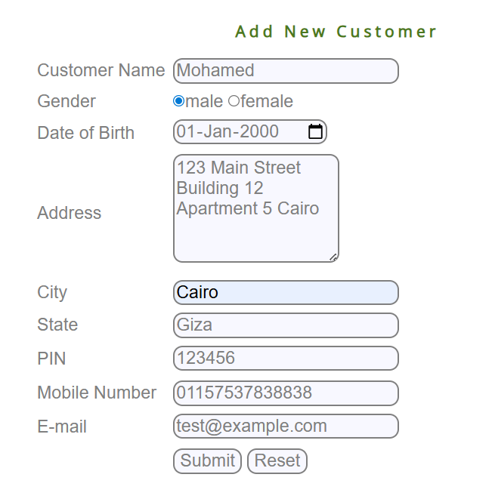 | High | Critical | TC_NEWCUST_(02:12 + 14:16 + 19:21 + 23:27 + 29:39 + 41:43 + 45:47 + 49:52) TC-ministat_01 | Closed
Bug_New_Cust_02 | Customer Name field in New Customer form accepts input less than minimum length. |  | Customer Name: "Ahmed" (5 characters) Gender: "Male" (default) DOB: "01/01/2000" Address: "123 Main Street Building 12 Apartment 5 Cairo Egypt 12345" City: "Cairo" State: "Giza" Pin: "123456" Mobile Number: "+201234567890" Email: "test1@example.com" Temp Password: "Passw0rd#12" | 1-Enter Customer Name. 2-Choose Gender . 3-Select Date of birth. 4-Enter Address. 5-Enter City. 6-Enter State. 7-Enter Pin . 8-Enter Mobile Number. 9-Enter Email. 10- Enter Temp Password. 11-Click Submit. |  | Error message: "Please enter valid data." appears immediately under the submit button. | Form submission is successful. Customer is registered, and is navigated to a confirmation page with customer data submitted. |  | Low | Low | TC_NEWCUST_02 | New
Bug_New_Cust_03 | Customer Name field in New Customer form accepts input more than maximum length. |  | Customer Name: "Ahmed Mohammed Ibrahim Abdelrahman Khaled Mostafa Alii z" (52 characters) Gender: "Male" (default) DOB: "01/01/2000" Address: "123 Main Street, Building 12, Apartment 5, Cairo, Egypt 12345" (53 characters) City: "Cairo" State: "Giza" Pin: "123456" Mobile Number: "+201238467890" Email: "test4@example.com" Temp Password: "Passw0rd#12" | 1-Enter Customer Name. 2-Choose Gender . 3-Select Date of birth. 4-Enter Address. 5-Enter City. 6-Enter State. 7-Enter Pin . 8-Enter Mobile Number. 9-Enter Email. 10- Enter Temp Password. 11-Click Submit. |  | Error message: "Please enter valid data." appears immediately under the submit button. | Form submission is successful. Customer is registered, and is navigated to a confirmation page with customer data submitted. |  | Low | Low | TC_NEWCUST_05 | New
Bug_New_Cust_04 | Wrong Placing of error messages shown for the Customer Name field in New Customer form. |  | Customer Name: "Ahmed123 Mohamed" Gender: "Male" (default) DOB: "01/01/2000" Address: "123 Main Street, Building 12, Apartment 5, Cairo, Egypt 12345" (53 characters) City: "Cairo" State: "Giza" Pin: "123456" Mobile Number: "+201234567890" Email: "test1@example.com" Temp Password: "Passw0rd#12" | 1-Enter Customer Name. 2-Choose Gender . 3-Select Date of birth. 4-Enter Address. 5-Enter City. 6-Enter State. 7-Enter Pin . 8-Enter Mobile Number. 9-Enter Email. 10- Enter Temp Password. 11-Click Submit. |  | Error message: "Please enter valid data." appears immediately under the submit button. | Error message: "Numbers are not allowed." appears immediately besides Customer name field. |  | Low | Low | TC_NEWCUST_06 TC_NEWCUST_07 TC_NEWCUST_08 TC_NEWCUST_09 TC_NEWCUST_10 | New
Bug_New_Cust_05 | New Customer form accepts Date of birth before 1960 |  | Customer Name: "Ahmed Mohamed" Gender: "Male" (default) DOB: "01/01/1959" Address: "123 Main Street, Building 12, Apartment 5, Cairo, Egypt 12345" (53 characters) City: "Cairo" State: "Giza" Pin: "123456" Mobile Number: "+201234567890" Email: "test1@example.com" Temp Password: "Passw0rd#12" | 1-Enter Customer Name. 2-Choose Gender . 3-Select Date of birth. 4-Enter Address. 5-Enter City. 6-Enter State. 7-Enter Pin . 8-Enter Mobile Number. 9-Enter Email. 10- Enter Temp Password. 11-Click Submit. |  | Error message: "Please enter valid data." appears immediately under the submit button. | Form submission is successful. Customer is registered, and is navigated to a confirmation page with customer data submitted. |  | Low | Low | TC_NEWCUST_15 | New
Bug_New_Cust_06 | New Customer form accepts Date of birth after 2007. |  | Customer Name: "Ahmed Mohamed" Gender: "Male" (default) DOB: "01/01/2009" Address: "123 Main Street, Building 12, Apartment 5, Cairo, Egypt 12345" (53 characters) City: "Cairo" State: "Giza" Pin: "123456" Mobile Number: "+201234567890" Email: "test1@example.com" Temp Password: "Passw0rd#12" | 1-Enter Customer Name. 2-Choose Gender . 3-Select Date of birth. 4-Enter Address. 5-Enter City. 6-Enter State. 7-Enter Pin . 8-Enter Mobile Number. 9-Enter Email. 10- Enter Temp Password. 11-Click Submit. |  | Error message: "Please enter valid data." appears immediately under the submit button. | Form submission is successful. Customer is registered, and is navigated to a confirmation page with customer data submitted. |  | Low | Low | TC_NEWCUST_16 | New
Bug_New_Cust_07 | New Customer form accepts Address with fewer than 50 characters on form submission. |  | Customer Name: "Ahmed Mohamed" Gender: "Male" (default) DOB: "01/01/2000" Address: "123 Main Street" City: "Cairo" State: "Giza" Pin: "123456" Mobile Number: "+201234567890" Email: "test1@example.com" Temp Password: "Passw0rd#12" | 1-Enter Customer Name. 2-Choose Gender . 3-Select Date of birth. 4-Enter Address. 5-Enter City. 6-Enter State. 7-Enter Pin . 8-Enter Mobile Number. 9-Enter Email. 10- Enter Temp Password. 11-Click Submit. |  | Error message: "Please enter valid data." appears immediately under the submit button. | Form submission is successful. Customer is registered, and is navigated to a confirmation page with customer data submitted. |  | Low | Low | TC_NEWCUST_19 | New
Bug_New_Cust_08 | New Customer form accepts Address with exceeding 150 characters on form submission. |  | Customer Name: "Ahmed Mohamed" Gender: "Male" (default) DOB: "01/01/2000" Address: "123 Main Street, Building 12 Apartment 5 Floor 3 Nasr City Cairo Egypt Postal Code 12345 Near Landmark Additional Info for Address Validation X" (151 characters) City: "Cairo" State: "Giza" Pin: "123456" Mobile Number: "+201234567890" Email: "test1@example.com" Temp Password: "Passw0rd#12" | 1-Enter Customer Name. 2-Choose Gender . 3-Select Date of birth. 4-Enter Address. 5-Enter City. 6-Enter State. 7-Enter Pin . 8-Enter Mobile Number. 9-Enter Email. 10- Enter Temp Password. 11-Click Submit. |  | Error message: "Please enter valid data." appears immediately under the submit button. | Address Field does not accept more than 50 characters |  | Medium | Low | TC_NEWCUST_20 | New
Bug_New_Cust_09 | Wrong Placing of error messages shown for the Address field in New Customer form. |  | Customer Name: "Ahmed Mohamed" Gender: "Male" (default) DOB: "01/01/2001" Address: " 123 Main Street, Building 12 Apartment 5 Cairo Egypt 12345" (53 characters) City: "Cairo" State: "Giza" Pin: "123456" Mobile Number: "+201234567890" Email: "test1@example.com" Temp Password: "Passw0rd#12" | 1-Enter Customer Name. 2-Choose Gender . 3-Select Date of birth. 4-Enter Address. 5-Enter City. 6-Enter State. 7-Enter Pin . 8-Enter Mobile Number. 9-Enter Email. 10- Enter Temp Password. 11-Click Submit. |  | Error message: "Please enter valid data." appears immediately under the submit button. | Error message: "First character can not have space" appears immediately besides Address field. |  | Low | Low | TC_NEWCUST_21 | New
Bug_New_Cust_10 | Wrong Placing of error messages shown for the City field in New Customer form. |  | Customer Name: "Ahmed Mohamed" Gender: "Male" (default) DOB: "01/01/2001" Address: " 123 Main Street Building 12 Apartment 5 Cairo Egypt 12345" (53 characters) City: "Cairo1" State: "Giza" Pin: "123456" Mobile Number: "+201234567890" Email: "test1@example.com" Temp Password: "Passw0rd#12" | 1-Enter Customer Name. 2-Choose Gender . 3-Select Date of birth. 4-Enter Address. 5-Enter City. 6-Enter State. 7-Enter Pin . 8-Enter Mobile Number. 9-Enter Email. 10- Enter Temp Password. 11-Click Submit. |  | Error message: "Please enter valid data." appears immediately under the submit button. | Error message: "Numbers are not allowed." appears immediately besides City field. |  | Low | Low | TC_NEWCUST_23 TC_NEWCUST_24 TC_NEWCUST_25 | New
Bug_New_Cust_11 | New Customer form accepts City with multiple words (space) on form submission |  | Customer Name: "Ahmed Mohamed" Gender: "Male" (default) DOB: "01/01/2001" Address: " 123 Main Street, Building 12 Apartment 5 Cairo Egypt 12345" (53 characters) City: " New Cairo" State: "Cairo" Pin: "123456" Mobile Number: "+201234567890" Email: "test1@example.com" Temp Password: "Passw0rd#12" | 1-Enter Customer Name. 2-Choose Gender . 3-Select Date of birth. 4-Enter Address. 5-Enter City. 6-Enter State. 7-Enter Pin . 8-Enter Mobile Number. 9-Enter Email. 10- Enter Temp Password. 11-Click Submit. |  | Error message: "Please enter valid data." appears immediately under the submit button. | Form submission is successful. Customer is registered, and is navigated to a confirmation page with customer data submitted. |  | Medium | Low | TC_NEWCUST_26 | New
Bug_New_Cust_12 | New Customer form accepts a valid City abbreviation on form submission |  | Customer Name: "Ahmed Mohamed" Gender: "Male" (default) DOB: "01/01/2001" Address: " 123 Main Street, Building 12 Apartment 5 Cairo Egypt 12345" (53 characters) City: " CA" State: "Cairo" Pin: "123456" Mobile Number: "+201234567890" Email: "test1@example.com" Temp Password: "Passw0rd#12" | 1-Enter Customer Name. 2-Choose Gender . 3-Select Date of birth. 4-Enter Address. 5-Enter City. 6-Enter State. 7-Enter Pin . 8-Enter Mobile Number. 9-Enter Email. 10- Enter Temp Password. 11-Click Submit. |  | Error message: "Please enter valid data." appears immediately under the submit button. | Form submission is successful. Customer is registered, and is navigated to a confirmation page with customer data submitted. |  | Medium | Low | TC_NEWCUST_27 | New
Bug_New_Cust_13 | Wrong Placing of error messages shown for the State field in New Customer form. |  | Customer Name: "Sara Ahmed" Gender: "Female" DOB: "01/01/2000" Address: "123 Main Street, Building 12 Apartment 5 Cairo Egypt 12345" (53 characters) City: "Cairo" State: "Giza" Pin: "123456" Mobile Number: "+201234567890" Email: "test1@example.com" Temp Password: "Passw0rd#12" | 1-Enter Customer Name. 2-Choose Gender . 3-Select Date of birth. 4-Enter Address. 5-Enter City. 6-Enter State. 7-Enter Pin . 8-Enter Mobile Number. 9-Enter Email. 10- Enter Temp Password. 11-Click Submit. |  | Error message: "Please enter valid data." appears immediately under the submit button. | Error message: "Numbers are not allowed." appears immediately besides State field. |  | Low | Low | TC_NEWCUST_29 TC_NEWCUST_30 TC_NEWCUST_31 | New
Bug_New_Cust_14 | Password field accepts any input without enforcing required restrictions |  | Customer Name: "Sara Ahmed" Gender: "Female" DOB: "01/01/2000" Address: "123 Main Street, Building 12 Apartment 5 Cairo Egypt 12345" (53 characters) City: "Cairo" State: "Giza" Pin: "123456" Mobile Number: "+201234567890" Email: "test1@example.com" Temp Password: "Passw0rd#12" | 1-Enter Customer Name. 2-Choose Gender . 3-Select Date of birth. 4-Enter Address. 5-Enter City. 6-Enter State. 7-Enter Pin . 8-Enter Mobile Number. 9-Enter Email. 10- Enter Temp Password. 11-Click Submit. |  | Error message: "Please enter valid data." appears immediately under the submit button. | Form submission is successful. Customer is registered, and is navigated to a confirmation page with customer data submitted. |  | High | High | TC_NEWCUST_34 TC_NEWCUST_35 TC_NEWCUST_36 TC_NEWCUST_37 TC_NEWCUST_38 | New
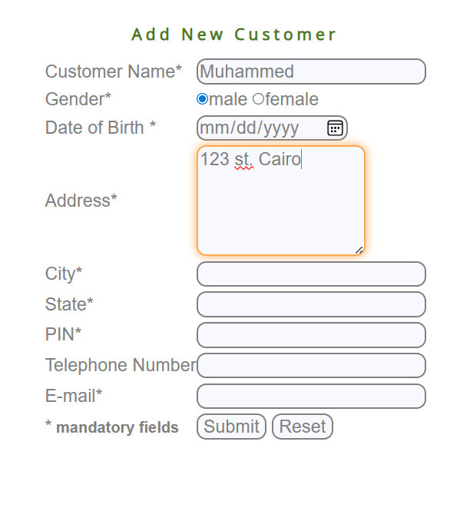
Bug_New_Cust_15 | Missing error message when leaving Date of birth field blank in the New Customer form. |  | Customer Name: "Ahmed Mohamed" Gender: "Male" (default) DOB: (empty) | 1-Enter Customer Name. 2-Choose Gender . 3- Leave Date of Birth empty. 4- Navigate to the next field. |  | Error message: "This field must not be blank." appears immediately besides DOB field. | Manager is navigated to the next field with no error messages shown |  | Medium | Medium | TC_NEWCUST_17 | Closed
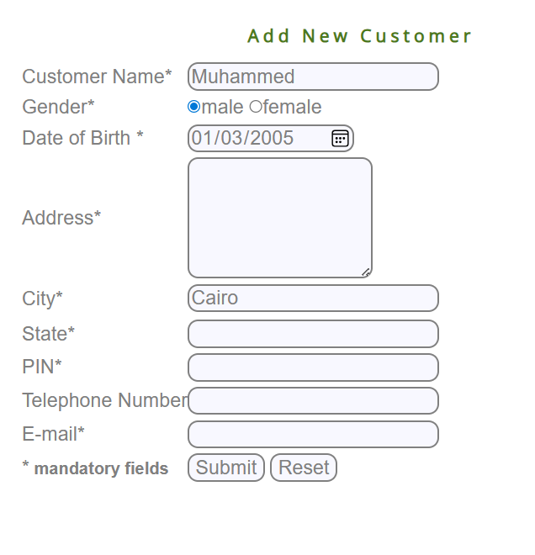
Bug_New_Cust_16 | Missing error message when leaving Address field blank in the New Customer form. |  | Customer Name: "Ahmed Mohamed" Gender: "Male" (default) DOB: "01/01/2000" Address: (empty) | 1-Enter Customer Name. 2-Choose Gender . 3- Enter Date of Birth . 4- Leave Address field empty. 5- Navigate to the next field. |  | Error message: "This field must not be blank." appears immediately besides address field. |  |  | Medium | Medium | TC_NEWCUST_18 | Closed
New account
Bug_New_Account_01 | in New Account feature Customer ID field does not show error for blank field next to the field | 1- Chrome is opened ( version 27 or above) 2- Manager is login and click in click in the Hyperlink "New Account" 3- navigate to New account page |  | 1. click on Customer ID field and make it blank 2. Click outside field |  | System displays error next to field: "customer Id must not be blank" | System does not display an error next to the field | 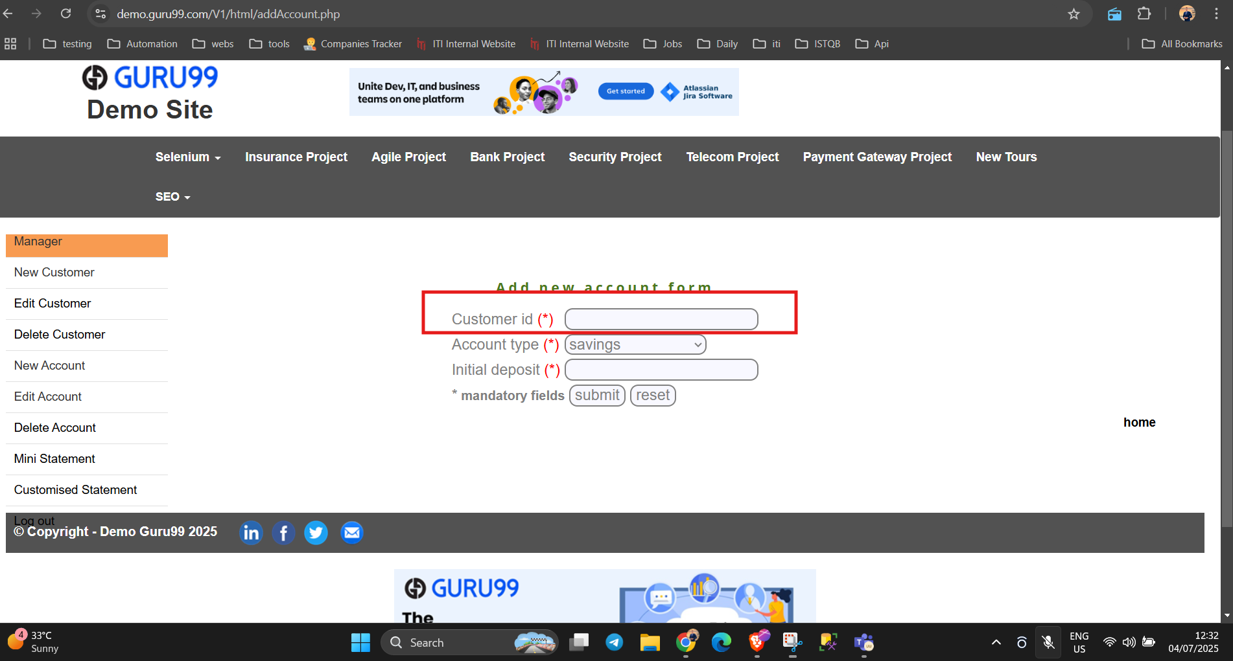 | High | High | TC_New_Account_01 | Closed
Bug_New_Account_02 | in New Account feature Customer ID field does not show error for special characters next to the field | 1- Chrome is opened ( version 27 or above) 2- Manager is login and click in click in the Hyperlink "New Account" 3- navigate to New account page | Customer ID: @123 | 1. write Customer ID in the Customer ID field 2. Click outside field |  | System displays error next to field: "Special characters not allowed" | System does not display an error next to the field | 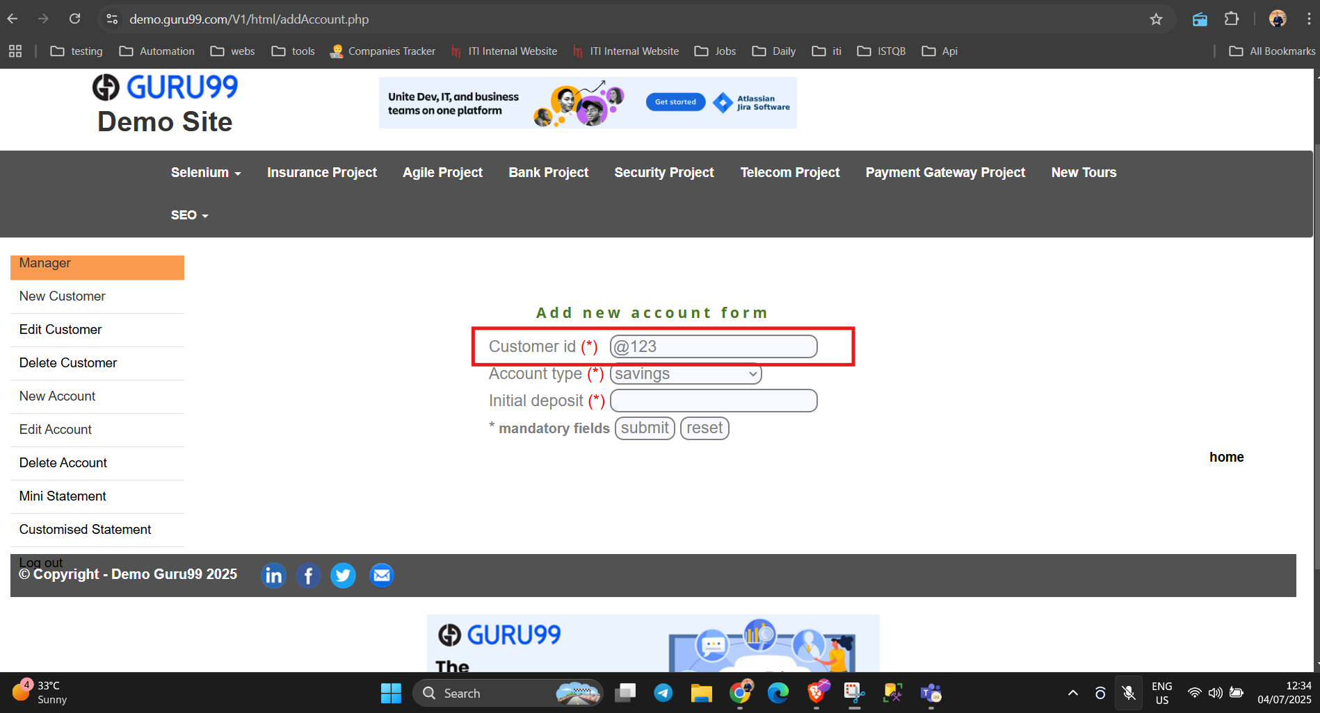 | High | High | TC_New_Account_02 | Closed
Bug_New_Account_03 | in New Account feature Customer ID field does not show error for alphabetic characters next to the field | 1- Chrome is opened ( version 27 or above) 2- Manager is login and click in click in the Hyperlink "New Account" 3- navigate to New account page | Customer ID: aa123 | 1. write Customer ID in the Customer ID field 2. Click outside field |  | System displays error next to field: "alphabetic characters not allowed" | System does not display an error next to the field | 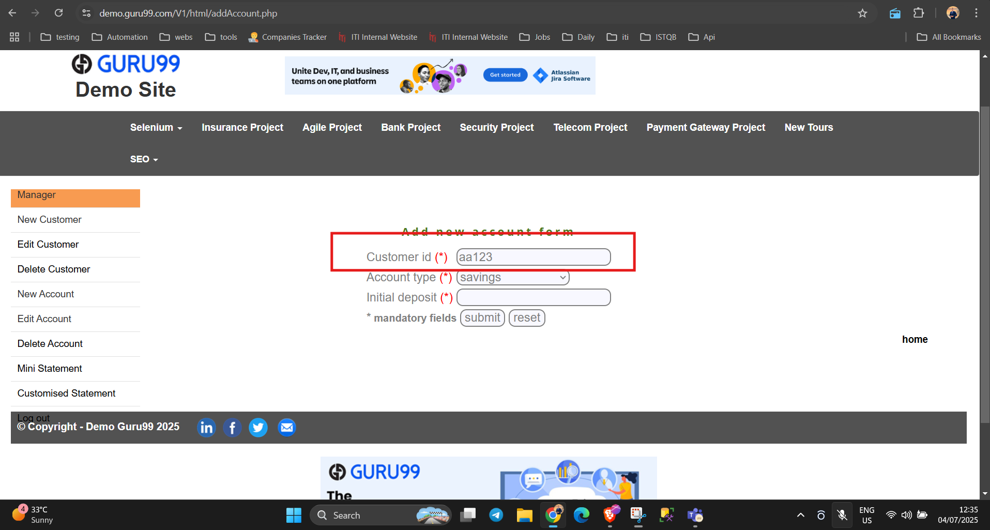 | High | High | TC_New_Account_03 | Closed
Bug_New_Account_04 | in New Account feature Customer ID field does not show error for start with a space next to the field | 1- Chrome is opened ( version 27 or above) 2- Manager is login and click in click in the Hyperlink "New Account" 3- navigate to New account page | Customer ID: 123 | 1. write Customer ID in the Customer ID field 2. Click outside field |  | System displays error: "First character cannot be space" | System does not display an error next to the field |  | High | High | TC_New_Account_04 | Closed
Edit account
Bug_Edit_Account_01 | Do not redirect to editAccountPage after entered valid data in Edit Account feature | 1- Chrome is opened ( version 27 or above) 2- Manager is login and click in the Hyperlink "Edit Account" 3- navigate to Edit account page | Account Number: 174827 | 1. write Account Number in Account Number field 2. Click submit |  | system should redirect to the editAccountPage | editAccountPage does not reload and appear "This page isn’t working" | 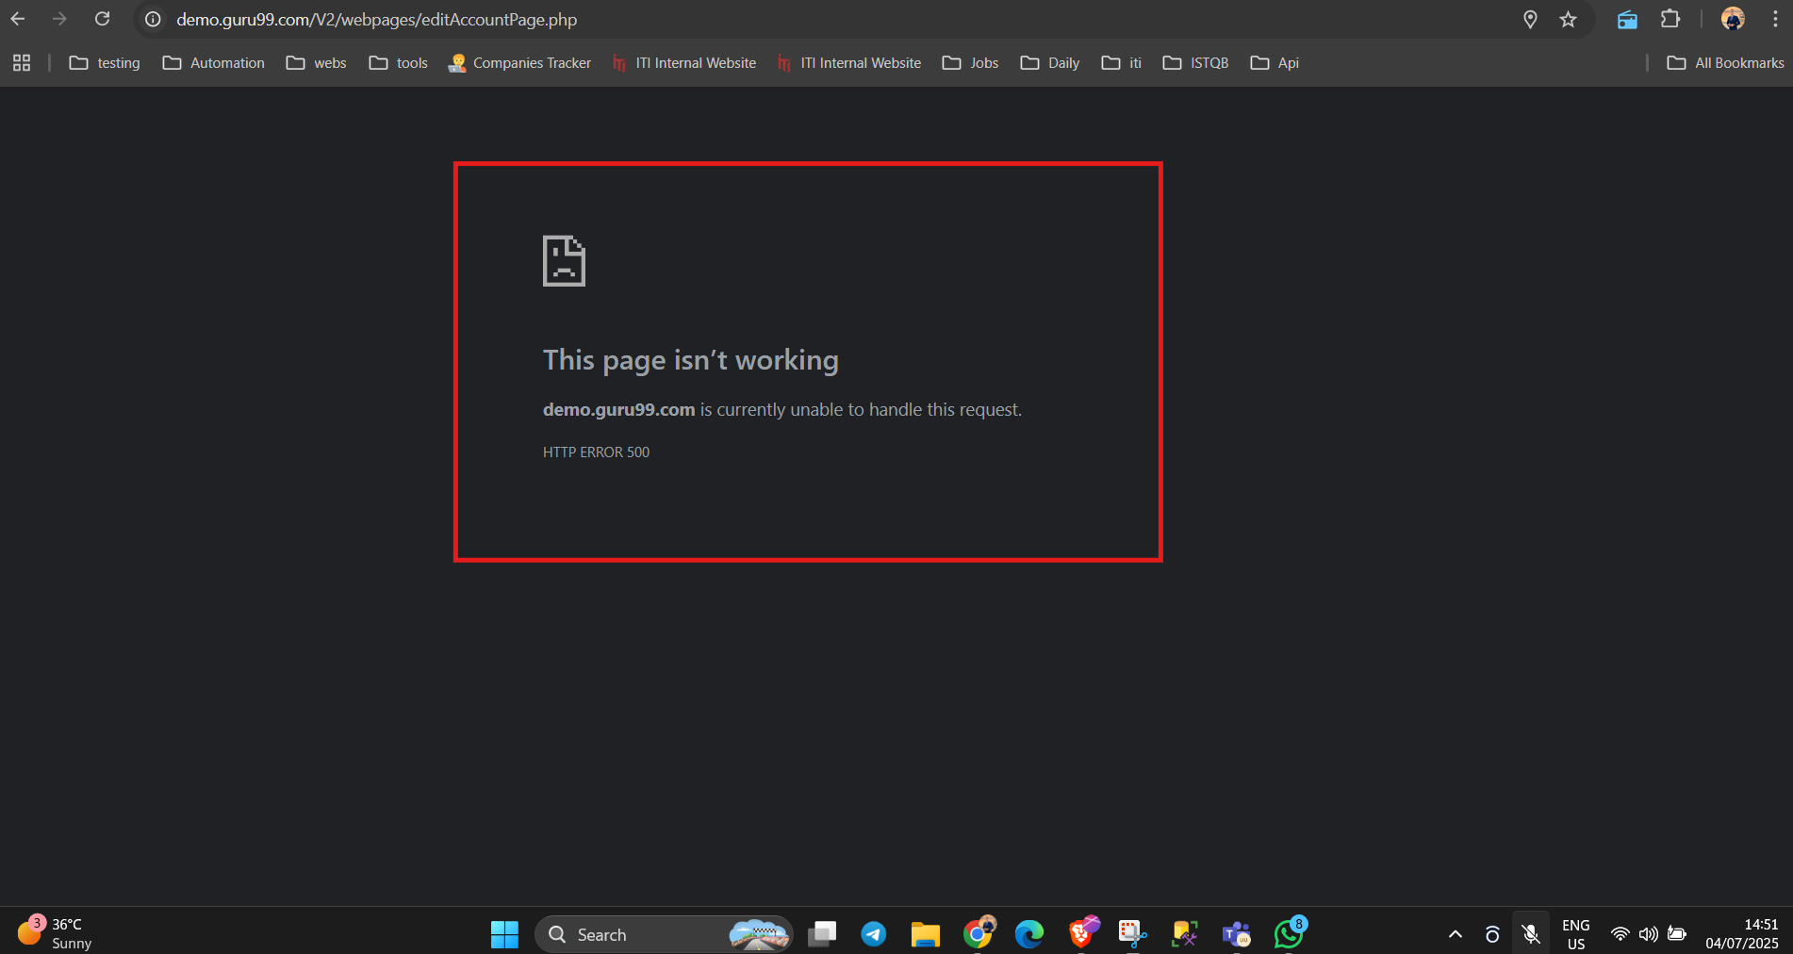 | High | High | TC_Edit_Account_04 | REOPEN
Edit customer
BUG_EditCustomer_01 | Edit Customer form is not accessible Error message received : You are not authorize to edit this customer! | Manager is logged in and has at least one valid Customer ID | Customer ID: 957761330 | 1. Login as Manager 2. Click 'Edit Customer' 3. Enter valid Customer ID 4. Click Submit |  | Edit Customer form should appear with the customer's current data. |  Error message received : You are not authorize to edit this customer! |  | High | Critical | TC_EditCustomer_01 TC_EditCustomer_02 TC_EditCustomer_03 TC_EditCustomer_04 TC_EditCustomer_05 TC_EditCustomer_06 | Reopen
Delete customer
Bug_Delete Customer-1 | verify that the Manager can delete a Customer | Manager is loged in, a new customer is added, delete the customer account, Customer ID Does not Associate with Manager, click on the hyper link, the delete form is open | URL: User_ID: User_Password: Customer ID: | 1- Click on the Delete Customer hyper link in home page 2- Enter a valid Cusomer ID 3- Click on the Submit button |  | 1- The button should navigate to the delete customer page 2- The field should accept the entry data 3-The button should be clikcable that a confirmation message should be visible that says "a customer is removed successfully" | System Display an error "Page error 500" |  | critical | critical |  | failed
Bug_Delete Customer -2 | verify that manager cannot delete customer with invalid customer ID |  |  | 1- Click on the Delete Customer hyper link in home 2- Enter a invalid Cusomer ID 3- Click on the Submit button |  | 1- The button should navigate to the delete customer page 2- The field should not accept the entry data 3-The button should be clikcable and System displays an error | System Displays an error "customer does not exist |  | high |  |  | closed
Bug_Delete Customer-3 | verify that manager cannot delete customer who has activer current or saving accounts |  |  | 1- Click on the Delete Customer hyper link in home 2- Enter Cusomer ID who has saving ar active accounts 3- Click on the Submit button |  | System Display an error "you can not delete this customer"
Bug_Delete Customer-4 | validate that customer ID Should not contain special character |  |  | 1- Click on the Delete Customer hyper link in home 2- Enter Cusomer ID with special character 3- Click on the Submit button |  | System Displays an error "customer id cannot contain special characters" | System Displays an error "Special characters are not allowed |  |  |  |  | closed
Bug_Delete Customer-5 | Verify that Customer ID should not have spaces |  |  | 1- Click on the Delete Customer hyper link in home 2- Enter a Cusomer ID with spaces 3- Click on the Submit button |  | System Display an error "customer id field can not contain spaces" | System Displays an error "characters are not allowed |  |  |  |  | Failed
Bug_Delete Customer-6 | validate that customer ID Should not contain characters |  |  | 1- Click on the Delete Customer hyper link in home 2- Enter a Cusomer ID with characters 3- Click on the Submit button |  | System Display an error "customer id can not contain character" | System Displays an error "characters are not allowed |  |  |  |  | closed
Bug_Delete Customer-7 | Validate that the submit button is clickable |  |  | 1- Click on the Delete Customer hyper link in home 2- Enter a valid Cusomer ID 3- Click on the Submit button |  | 1- The button should navigate to the delete customer page 2- The field should accept the entry data 3-The button should be clikcable that a confirmation message should be visible that says "a customer is removed successfully" | Button wroks successfully |  | critical |  |  | closed
Bug_Delete Customer-8 | Validate that the Reset button is clickable |  |  | 1- Click on the Delete Customer hyper link in home 2- Enter a valid Cusomer ID 3- Click on the Reset button |  | 1- The button should navigate to the delete customer page 2- The field should accept the entry data 3- the button will work successfully and the entry data will be removed | Data Removed Successfully |  |  |  |  | closed
Bug_Delete Customer-9 | Verify that Customer ID can not be empty |  |  | 1- Click on the Delete Customer hyper link in home 2- leave the Customer ID Field Empty 3- Click on the Submit button |  | System Display an error "customer id is required" | System Diplays an error message "customer id is reqiured |  | medium | medium |  | closed
6-Withdrawl
Bug_withdrawal_01 | the withdrawal feature is blocked and cannot be testedas it is not avalible for version1 (missing feature ) | chrome version 27 or above, Loged in as manager and click on hyperlink withdrawl | account :123456 amount : 8000 description : hello | 1.Enter valid account 2. Enter valid amount 3.Write your description 4.Click submit |  | 4.pop up message displayed : withdarwl is done successful | missing hyperlink cannot use the feature |  | critical | high | TC_Withdrawl_01 To TC_Withdrawl_14 | closed
Bug_withdrawal_02 | wrong message displays in withdrawal feature not like the specification | "chrome version 27 or above, Loged in as manager and click on hyperlink withdrawl " | account :174879 amount : 8000 description : hello | 1.Enter valid account 2. Enter valid amount 3.Write your description 4.Click submit |  | 4.pop up message displayed : withdarwl is done successful | it shows transaction details without telling about transaction status f it succeed or not |  | high | high | TC_Withdrawal_01 | open
Bug_withdrawal_03 | wrong error message appear in withdrawal feature with inavalid account no contains characters not like specifications | """chrome version 27 or above, Loged in as manager and click on hyperlink withdrawl """ | "account :1748m9 amount : 8000 description : hello" | "1.Enter invalid account 2. Enter valid amount 3.Write your description 4.Click submit" |  | error message displayed beside account feild : "please enter valid data" | wrong error message "character not allowed" |  | low | low | TC_Withdrawal_02 | open
Bug_withdrawal_04 | wrong error message appear in withdrawal feature with inavalid amount contains characters not like specifications | """chrome version 27 or above, Loged in as manager and click on hyperlink withdrawl """ | "account :174879 amount : 8000m description : hello" | "1.Enter valid account 2. Enter invalid amount 3.Write your description 4.Click submit" |  | error message displayed beside amount feild : "please enter valid data" | wrong error message "character not allowed" |  | low | low | TC_Withdrawal_03 | open
Bug_withdrawal_05 | no error message appear in withdrawal feature with inavalid amount less than 5000 not like specifications | """chrome version 27 or above, Loged in as manager and click on hyperlink withdrawl """ | "account :174879 amount : 2000 description : hello" | "1.Enter valid account 2. Enter invalid amount 3.Write your description 4.Click submit" |  | error message displayed beside amount feild : "please enter valid data" | no error message |  | critical | high | TC_Withdrawal_04 | open
Bug_withdrawal_06 | no error message appear in withdrawal feature with inavalid amount more than 5000 not like specifications | """chrome version 27 or above, Loged in as manager and click on hyperlink withdrawl """ | "account :174879 amount : 60000 description : hello" | "1.Enter valid account 2. Enter invalid amount 3.Write your description 4.Click submit" |  | error message displayed beside amount feild : "please enter valid data" | no error message |  | critical | high | TC_Withdrawal_05 | open
Bug_withdrawal_07 | wrong error message appear in withdrawal feature with inavalid account no contains special characters not like specifications | """chrome version 27 or above, Loged in as manager and click on hyperlink withdrawl """ | "account :17487@ amount : 60000 description : hello" | "1.Enter invalid account 2. Enter valid amount 3.Write your description 4.Click submit" |  | error message displayed beside amount feild : "please enter valid data" | wrong error message "Special character not allowed" |  | low | low | TC_Withdrawal_10 | open
Bug_withdrawal_08 | wrong error message appear in withdrawal feature with inavalid account no contains more than 6 digits | """chrome version 27 or above, Loged in as manager and click on hyperlink withdrawl """ | "account :17487988 amount : 60000 description : hello" | "1.Enter invalid account 2. Enter valid amount 3.Write your description 4.Click submit" |  | error message displayed beside amount feild : "please enter valid data" | wrong error message "Acount doesn't exist " |  | low | low | TC_Withdrawal_11 | open
Bug_withdrawal_09 | wrong error message appear in withdrawal feature with inavalid amount contains special characters not like specifications | """chrome version 27 or above, Loged in as manager and click on hyperlink withdrawl """ | "account :174879 amount : 8000@ description : hello" | "1.Enter valid account 2. Enter invalid amount 3.Write your description 4.Click submit" |  | error message displayed beside amount feild : "please enter valid data" | wrong error message "Special character not allowed" |  | low | low | TC_Withdrawal_12 | open
Bug_withdrawal_10 | wrong error message appear in withdrawal feature with inavalid amount contains decimal numbers not like specifications | """chrome version 27 or above, Loged in as manager and click on hyperlink withdrawl """ | "account :174879 amount : 8000.08 description : hello" | "1.Enter valid account 2. Enter invalid amount 3.Write your description 4.Click submit" |  | error message displayed beside amount feild : "please enter valid data" | wrong error message "Special character not allowed" |  | low | low | TC_Withdrawal_13 | open
7-Balance enquiery
Bug_balanceEnquiry_01 | the Balance enquiry feature is blocked and cannot be tested as it is not avalible for version1 (missing feature ) | chrome version 27 or above, Loged in and click on hyperlink Balance enquiry | Account no:123469 | 1. Enter valid account number 2. Submit |  | 4.System displays balance for customer account after submmission | missing hyperlink cannot use the feature |  | critical | high | TC_BE-1 To TC_BE-16 | closed
Bug_balanceEnquiry_02 | cannot verify View balance enquiry with valid customer account number exist in database | "chrome version 27 or above, Loged in as manager and click on hyperlink Balance enquiry" | Account no:174828 | " 1. Enter valid account number 2. Submit" |  | 4.System displays balance for customer account after submmission | there is no option to login as customer |  | critical | high | TC_BE_1 TC_BE_4 TC_BE_6 TC_BE_8 TC_BE_10 TC_BE_12 TC_BE_13 TC_BE_14 | open
Bug_balanceEnquiry_03 | cannot Verify view balance enquiry with valid Manager account number exist in database | chrome version 27 or above, Loged in as customer and click on hyperlink Balance enquiry | Account no:174828 | 1. keep account number empty 2. Submit |  | 4.System displays balance for customer account after submmission | system display error message " characters are not allowed" |  | critical | high | TC_BE_2 | reopen
Bug_balanceEnquiry_04 | wrong error message in view balance enquiry feature with invalid acount no that contains special character doesn't show as specification | "chrome version 27 or above, Loged in as manager and click on hyperlink Balance enquiry" | Account no: 178@48 | " 1. Enter invalid account number 2. Submit" |  | System displays error message beside the feild:"please enter valid data" | system display error message "Special characters are not allowed" |  | low | low | TC_BE_5 | open
Bug_balanceEnquiry_05 | wrong error message in view balance enquiry feature with invalid acount no that contains character doesn't show as specification | chrome version 27 or above, Loged in as manager and click on hyperlink Balance enquiry | Account no: 178m48 | 1. Enter invalid account number 2. Submit |  | System displays error message beside the feild:"please enter valid data" | system display error message " characters are not allowed" |  | low | low | TC_BE_7 | open
Bug_balnceEnquiry_06 | no error message in view balance enquiry feature with invalid acount that contains more than 6 digits | "chrome version 27 or above, Loged in as manager and click on hyperlink Balance enquiry" | Account no:17482888 | 1. Enter invalid account number 2. Submit |  | System displays error message beside the feild:"please enter valid data" | it doesn't show any error message at feild level but after submit it show"account doesn't exist " |  | high | medium | TC_BE_9 | open
Bug_balnceEnquiry_07 | no error message in view balance enquiry feature with invalid acount that contains less than 6 digits | "chrome version 27 or above, Loged in as manager and click on hyperlink Balance enquiry" | Account no:1748 | 1. Enter invalid account number 2. Submit |  | System displays error message beside the feild:"please enter valid data" | it doesn't show any error message at feild level but after submit it show"account doesn't exist " |  | high | medium | TC_BE_11 | open
Bug_balnceEnquiry_08 | no error message in verify balance enquiry cannot accept if customer not assocciated with manage'sr account | "chrome version 27 or above, Loged in as manager and click on hyperlink Balance enquiry" | Account no:174827 | 1. Enter invalid account number 2. Submit |  | System displays error message after submmission:"this account not associated with you " | it doesn't show required error message as pop up message instead of it shows page wit error code:500 |  | medium | medium | TC_BE_16 | open
Fund Transfer |  |  |  |  |  |  |  |  | 10-Fund Transfer
BUG_Transfer_01 | No pop up message displayed after transfer | 1.Loged in as a manager 2.open URL "https://demo.guru99.com/V1/html/CustomisedStatementInput.php" 3.Account number is already exist 4.click on hyperlink Fund Transfer | payers account : 174896 payees aacount : 174897 amount : 30000 description : hello | 1 Enter valid Payer’s Account 2. Enter valid Payee account 3. Enter valid amount 4.Write your description 5. Click Submit |  | pop up message displayed : transfer is done successful | pop up message after submittion : Account 123456 does not exist!!! | 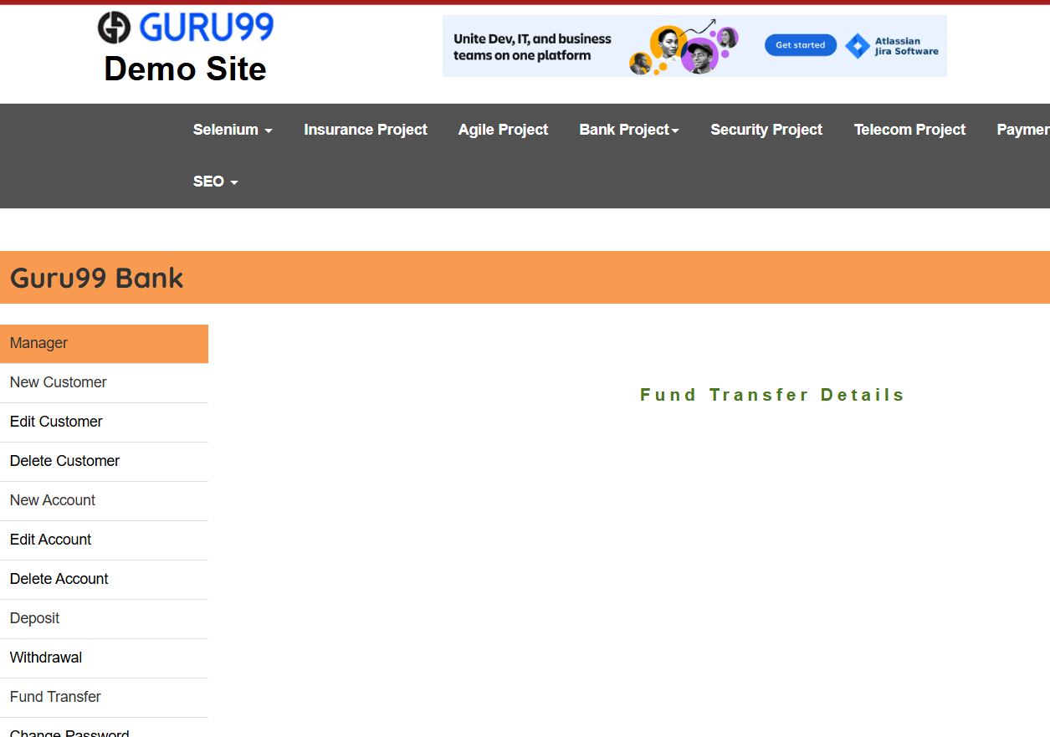 | Medium | Medium |  | Open
BUG_Transfer_02 | No pop up message displayed and Account field accept morethan 6 digits |  | payers account : 17489688888 payees aacount : 174896 amount : 30000 description : hello | 1 Enter invalid o in Payer’s Account 2. Enter valid Payee account 3. Enter valid amount 4.Write your description 5. Click Submit |  | error message displayed : invalid Payer account | No pop up message displayed!! | 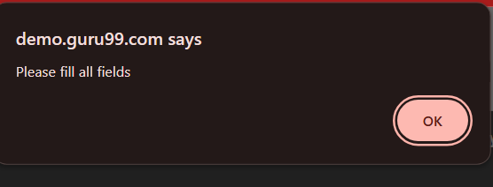 | critical | critical |  | Open
BUG_Transfer_03 | No pop up message displayed and Account field accept morethan 6 digits |  | payers account : 174896 payees aacount :17489788888 amount : 30000 description : hello | 1 Enter valid in Payer’s Account 2. Enter invalid Payee account 3. Enter valid amount 4.Write your description 5. Click Submit |  | error message displayed : invalid Payee account | No pop up message displayed |  | critical | critical |  | Open
BUG_Transfer_04 | Wrong error message displayed in amount field |  | payers account : 123456 payees aacount :87654321 amount : 300.00 description : hello | 1 Enter valid in Payer’s Account 2. Enter valid Payee account 3. Enter invalid amount 4.Write your description 5. Click Submit |  | error message displayed : invalid amount | error message beside the field : characters are not allowed |  | medium | medium |  | Open
BUG_Transfer_05 | Wrong error message displayed in Payers account field |  | payers account : 1234567gg payees aacount : 654321 amount : 30000 description : hello | 1 Enter invalid o in Payer’s Account 2. Enter valid Payee account 3. Enter valid amount 4.Write your description 5. Click Submi |  | error message displayed : invalid Payer account | error message beside the field : characters are not allowed |  | medium | medium |  | Open
BUG_Transfer_06 | Wrong error message displayed in Payers account field |  | payers account : 123456 payees aacount :654321kk amount : 30000 description : hello | 1 Enter valid in Payer’s Account 2. Enter invalid Payee account 3. Enter valid amount 4.Write your description 5. Click Submit |  | message of successfully should be appear | error message beside the field : characters are not allowed |  | medium | medium |  | Open
BUG_Transfer_07 | Wrong error message displayed in amount field |  | payers account : 123456 payees aacount :654321 amount : 30000kk description : hello | 1 Enter valid in Payer’s Account 2. Enter invalid Payee account 3. Enter valid amount 4.Write your description 5. Click Submit |  | error message displayed : invalid amount | error message beside the field : characters are not allowed |  | medium | medium |  | Open
11-Mini statement
Bug_mini stat_01 | login as a customer from pre conditions is not allowed to validate the functionality of the mini statment | open URL:https://demo.guru99.com/V1/html/CustomisedStatementInput.php Cannott login as a customer TC_New_Ct_005 shall be executed and Passed TC_Add_AN_04 Shall be ex | "URL: UserID: password: Account no: | 1-open the homepage 2-click on mini statment button |  | pop message" The mini statment generated successfully. " | redirected to another page |  | medium | medium | TC_Mini Statment_1+TC_Mini Statment_2 | re-open
Bug_mini stat_02 | The error message appear after invalid account no. with special character entered isnot correct in mini statment feature | open URL and login successfully and user account exist successfully | URL:https://demo.guru99.com/V1/html/CustomisedStatementInput.php UserID:AtefElkady password:987456321 Account no:m@789 | 1-select mini statment from home page 2-fill the feild of the account number by invalid number 3-click on ""Submit"" button |  | the error message shall be appear below submit button "please enter valid data" | the error message appeared beside the feild with content "Characters are not allowed" |  | medium | medium | TC_Mini Statment_4 | re-open
Bug_mini stat_03 | wrong message if the account number feild in mini statment page is blank | open URL and login successfully and user account exist successfully | URL:https://demo.guru99.com/V1/html/CustomisedStatementInput.phpUserID:AtefElkady password:987456321 Account no: | 1-select mini statment from home page 2-leave the feild of account no.empty 3-click on "Submit" button |  | the error message shall be appear beside the feild "must not be blank" | the error message appeared in the upper part of page with content "please fill all feilds" |  | medium | low | TC_Mini Statment_5 | closed
Bug_mini stat_04 | no error message after invalid data in account number feild to get the mini statment as a manager (no. of digits less than 6) | open URL and login successfully and user account exist successfully | URL:https://demo.guru99.com/V1/html/CustomisedStatementInput.phpUserID:AtefElkady password:987456321 Account no:17 | 1-select mini statment from home page 2-fill the feild of the account number by invalid number 3-click on ""Submit"" button |  | the error message shall be appear below submit button "please enter valid data" | redirected to another page |  | High | High | TC_Mini Statment_7 | open
12-Customized statement
Bug_Customized Statement_01 | The error message appears next to the text field before clicking submit "Customized Statement" Func in case of Invalid "Account No"Including special characters | 1-open url"https://demo.guru99.com/V1/html/CustomisedStatementInput.php" 2-Manager is logged in | 1-url 2-Account No: @!#12% 3-From Date: 2024-01-01 4-To Date: 2024-02-01 5-Amount Lower Limit: 3000 6-Number Of Transaction: 5 | 1- Navigate to the "Customized Statement" page 2-In the "Account No" field, enter in valid count No 3-enter valid data in "From Date"field 4-enter valid data in "To Date"field 5-enter valid data in "Amount Lower Limit"field 6-enter valid data in "Number Of Transaction"field 7-click "submit"button |  | 1-"Customized Statement" page shall be opened. 2-Data shall be acctepted. 3-Data shall be acctepted. 4-Data shall be acctepted. 5-Data shall be acctepted. 6-Data shall be acctepted. 7- A pop-up error message appears with the text "Data invalid" | a error message appears next to the field before click submit. |  | High | High | TC-Customized -001 | New
Bug_Customized Statement_02 | error message appears next to field before click submit. "Customized Statement" Func in case of Invalid'Amount Lower Limit' Including special characters |  | 1-url 2-Account No: 123456 3-From Date: 2024-01-01 4-To Date: 2024-02-01 5-Amount Lower Limit: #5000! 6-Number Of Transaction: 5 | 1-Navigate to the "Customized Statement" page 2-enter invalid data in "Account No"field 3-enter valid data in "From Date"field 4-enter valid data in "To Date"field 5-enter invalid data in "Amount Lower Limit"field 6-enter valid data in "Number Of Transaction"field 7-click "submit"button |  | 1-"Customized Statement" page shall be opened. 2-Data shall be acctepted. 3-Data shall be acctepted. 4-Data shall be acctepted. 5-Data shall be acctepted. 6-Data shall be acctepted. 7- A pop-up error message appears with the text "Data invalid" | error message appears next to field before click submit |  | High | High | TC-Customized -002 | New
Bug_Customized Statement_03 | error message does not appear next to each field.with wrong structure in "Customized Statement" Function in case of all fields empty |  | 1-url 2-Account No: 3-From Date: 4-To Date: 5-Amount Lower Limit: 6-Number Of Transaction: | 1-Navigate to the "Customized Statement" page 2-leave all fields empty 3-click "submit"button |  | 1- Website shall be opened correctly. 2-"Customized Statement" page shall be opened. 3-an error message appears beside the field"must not be blank" | An error message does not appear next to each field. Instead, a single message appears at the top of the page 'Please fill all fields'. |  | low | low | TC-Customized -003 | New
Bug_Customized Statement_04 | No error message appears in "Customized Statement" Function in case of Invalid'Number of Transaction' Including special characters |  | 1-url 2-Account No: 123456 3-From Date: 2024-01-01 4-To Date: 2024-02-01 5-Amount Lower Limit: 3000 6-Number Of Transaction: @!# | 1-Navigate to the "Customized Statement" page 2-enter invalid data in "Account No"field 3-enter valid data in "From Date"field 4-enter valid data in "To Date"field 5-enter valid data in "Amount Lower Limit"field 6-enter invalid data in "Number Of Transaction" 7-click "submit"button |  | 1-"Customized Statement" page shall be opened. 2-Data shall be acctepted. 3-Data shall be acctepted. 4-Data shall be acctepted. 5-Data shall be acctepted. 6-Data shall be acctepted. 7- an error message appears"Data invalid" | error message appears next to field before click submit and redirction page contain error message "Account does not exist" |  | High | High | TC-Customized -004 | New
Bug_Customized Statement_05 | No error message appears " in "Customized Statement" Function in case of Invalid "Form Date " and "To Date "field |  | 1-url 2-Account No: 123456 3-From Date: 1900-01-01 4-To Date: 2026-02-01 5-Amount Lower Limit: 3000 6-Number Of Transaction: 5 | 1-Navigate to the "Customized Statement" page 2-enter invalid data in "Account No"field 3-enter invalid data in "To Date"field 4-enteri invalid data in "Amount Lower Limit"field 5-enter valid data in "Number Of Transaction" 6-click "submit"button |  | 1-"Customized Statement" page shall be opened. 2-Data shall be acctepted. 3-Data shall be acctepted. 4-Data shall be acctepted. 5-Data shall be acctepted. 6- an error message appears"Data invalid" | redirction page contain error message "Account does not exist" |  | High | High | TC-Customized -005 | New
Bug_Customized Statement_06 | Incorrect behavior: Date field accepts manual input in "Customized Statement" Function into "From Date" and "To Date" fields |  | 1-url 2-Account No: 123456 3-From Date: 2024-01-01 4-To Date: 2024-02-01 5-Amount Lower Limit: 3000 6-Number Of Transaction: 5 | 1-Navigate to the "Customized Statement" page 2-enter valid data in "From Date"field 3-enter valid data in "To Date"field |  | 1- Website shall be opened correctly. 2-"Customized Statement" page shall be opened. 3- User shall not be able to type manually into "From Date" field 4-User shall not be able to type manually into "To Date" field | Date field accepts manual input |  | Low | Low | TC-Customized -006 | New
Bug_Customized Statement_07 | No error message appears in "Customized Statement" Function in case of value less than 2 "Number of Transaction"field |  | 1-url 2-Account No: 123456 3-From Date: 2024-01-01 4-To Date: 2024-02-01 5-Amount Lower Limit: 3000 6-Number Of Transaction: 1 | 1-Navigate to the "Customized Statement" page 2-enter invalid data in "Account No"field 3-enter valid data in "From Date"field 4-enter valid data in "To Date"field 5-enter valid data in "Amount Lower Limit"field 6-enter invalid data in "Number Of Transaction"field 7-click "submit"button |  | 1-"Customized Statement" page shall be opened. 2-Data shall be acctepted. 3-Data shall be acctepted. 4-Data shall be acctepted. 5-Data shall be acctepted. 6-Data shall be acctepted. 7- an error message appears""no of transactions must be between 2:10" | redirction page contain error message "Account does not exist" |  | High | High | TC-Customized -007 | New
Bug_Customized Statement_08 | No error message appears in "Customized Statement" Function in case of value greater than 10 "Number of Transaction"field |  | 1-url 2-Account No: 123456 3-From Date: 2024-01-01 4-To Date: 2024-02-01 5-Amount Lower Limit: 3000 6-Number Of Transaction: 11 | 1-Navigate to the "Customized Statement" page 2-enter invalid data in "Account No"field 3-enter valid data in "From Date"field 4-enter valid data in "To Date"field 5-enter valid data in "Amount Lower Limit"field 6-enter invalid data in "Number Of Transaction"field 7-click "submit"button |  | 1-"Customized Statement" page shall be opened. 2-Data shall be acctepted. 3-Data shall be acctepted. 4-Data shall be acctepted. 5-Data shall be acctepted 6-Data shall be acctepted. 7- an error message appears""no of transactions must be between 2:10" | redirction page contain error message "Account does not exist"
Bug_Customized Statement_09 | No error message appears in "Customized Statement" Function in case of value not equal 6 digits "Account No"field |  | 1-url 2-Account No: 1234568 3-From Date: 2024-01-01 4-To Date: 2024-02-01 5-Amount Lower Limit: 3000 6-Number Of Transaction: 5 | 1-Navigate to the "Customized Statement" page 2-enter invalid data in "Account No"field 3-enter valid data in "From Date"field 4-enter valid data in "To Date"field 5-enter valid data in "Amount Lower Limit"field 6-enter valid data in "Number Of Transaction"field 7-click "submit"button |  | 1-"Customized Statement" page shall be opened. 2-Data shall be acctepted. 3-Data shall be acctepted. 4-Data shall be acctepted. 5-Data shall be acctepted. 6-Data shall be acctepted. 7- an error message appears"Data invalid" | redirction page contain error message "Account does not exist"
Bug_Customized Statement_10 | No error message appears in "Customized Statement" Function incase invalid fields (Account No, From Date , To Date, Amount Lower Limit,Number Of Transaction) |  | 1-url 2-Account No: 12345677 3-From Date: 1990-01-01 4-To Date: 2030-02-01 5-Amount Lower Limit:1000 6-Number Of Transaction: 1 | 1-Navigate to the "Customized Statement" page 2-enter invalid data in "Account No"field 3-enter invalid data in "From Date"field 4-enter invalid data in "To Date"field 5-enter invalid data in "Amount Lower Limit"field 6-enter invalid data in "Number Of Transaction"field 7-click "submit"button |  | 1-"Customized Statement" page shall be opened. 2-Data shall be acctepted. 3-Data shall be acctepted. 4-Data shall be acctepted. 5-Data shall be acctepted. 6-Data shall be acctepted. 7- an error message appears"Data invalid" | redirction page contain error message "Account does not exist"
Bug_Customized Statement_11 | No error message appears in "Customized Statement" Function in case of value equal 10 "Number of Transaction"field |  | 1-url 2-Account No: 123456 3-From Date: 2024-01-01 4-To Date: 2024-02-01 5-Amount Lower Limit:3000 6-Number Of Transaction: 10 | 1-Navigate to the "Customized Statement" page 2-enter invalid data in "Account No"field 3-enter valid data in "From Date"field 4-enter valid data in "To Date"field 5-enter valid data in "Amount Lower Limit"field 6-enter valid data in "Number Of Transaction"field 7-click "submit"button |  | 1-"Customized Statement" page shall be opened. 2-Data shall be acctepted. 3-Data shall be acctepted. 4-Data shall be acctepted. 6-Data shall be acctepted. 7-Data shall be acctepted. 8- an error message appears""no of transactions must be between 2:10" | redirction page contain error message "Account does not exist"
Bug_Customized Statement_12 | No error message appears in "Customized Statement" Function in case of value equal 2 "Number of Transaction"field |  | 1-url 2-Account No: 123456 3-From Date: 2024-01-01 4-To Date: 2024-02-01 5-Amount Lower Limit: 3000 6-Number Of Transaction: 1 | 1-Navigate to the "Customized Statement" page 2-enter invalid data in "Account No"field 3-enter valid data in "From Date"field 4-enter valid data in "To Date"field 5-enter valid data in "Amount Lower Limit"field 6-enter invalid data in "Number Of Transaction"field 7-click "submit"button |  | 1-"Customized Statement" page shall be opened. 2-Data shall be acctepted. 3-Data shall be acctepted. 4-Data shall be acctepted. 5-Data shall be acctepted 6-Data shall be acctepted. 7- an error message appears""no of transactions must be between 2:10" | redirction page contain error message "Account does not exist"
Bug_Customized Statement_13 | The Error message of entering invalid user_id | open URL and login successfully and user account exist successfully |  | 1-navigate to the home page 2- click on the customized button |  | the customized oped shall be reached and clickable | the customized button couldnot be reached and clickable
13-Delete account
Bug_DA_01 | Manager fail to delete an account and displayed an authorize to delete this customer! error message | The user opened the Chrome browser and navigated to the website via URL, and on the Loged in as a manager and in the home and click on the hyperlink delet account |  | 2- Naigate to the Delete account page 3- Enter a valid account number 4- Click on the Submit button |  | 1- The delete account button should be clickable to navigate to the delete account page 2- The field should accept the entry data 3-The button should be clikcable that a confirmation message should be visible that says "account is removed successfully | 1- The delete account button is clickable to navigate to the delete account page 2- The user-id field accepts the entry data 3- The submit button is funtional but fail to display the error message and rediredt to another page with "You are not authorize to delete this customer!!" |  | high | high | TC_Delete_Account_1 | Reopen
Bug_DA_02 | Fail to desplay the expected error message when entering invalid account number on the delete account page | The user opened the Chrome browser and navigated to the website via URL, and on the Loged in as a manager and in the home and click on the hyperlink delet account |  | 2- Naigate to the Delete account page 3- Enter an invalid account number 4- Click on the Submit button |  | 1- The Manager should navigate correctly to the home page 2- The delete account button should be clickable to navigate to the delete account page 3- The field should accept the entry data 4-The button should be clikcable that an error message should be visible that says "Please enter valid data " | 1- The Manager navigate correctly to the home page 2- The delete account button is clickable to navigate to the delete account page 3- The user-id field accepts the entry data 4- The submit button is funtional that display the error message that says "Account does not exist" and returned to the delete account screen |  | high | high | TC_Delete_Account_2 | Reopen

Bug_Login_01 | Missing Valid customer cridentials | The user opened the Chrome browser and navigated to the website via URL and only loged in as a manager |  | 1- Enter a valid user_id for the customer 2- Enter a valid password 2- Click on the login button |  | 1- The user_id field should accept customer data 2- The password field should accept data 3- The button should be clickable that to navigate to the home page | The login as a customer feature is missing and not founded |  | high | high | TC_Login_1 | Reopen
Change password
Bug_ChangePassword_01 | Verify Change password with new password and confirm new password not matching | opened URL navigated to the website loged in as a manager | Old Password: &10Mahmabddddddd New Password: P&ssw0rddd Confirm Password: P&ssw0rddd | 1- open URL 2- go to change password page screen 3- enter wrong old password 4- enter new password 5- Confirm new password 6- click on submit button |  | Error message should appear with text "Passwords do not match" | pop up appear :Please fill all fields |  | medium | medium | TC_ChangePassword_06 | new
Bug_ChangePassword_02 | Verify Change password with new password less than 10 characters |  | Old Password: P&ssw0rddd New Password: P&bht0rdd Confirm Password: P&bht0rdd | 1- open URL 2- go to change password page screen 3- enter old password 4- enter new password with 9 char 5- Confirm new password 6- click on submit button |  | Warn message should appear with text "Invalid Data" | pop up appear :Password is Changed |  | low | low | TC_ChangePassword_08 | new
Bug_ChangePassword_03 | Verify Change password with new password more than 20 characters |  | Old Password: P&bht0rdd New Password: P&ssw0rdddddddddddddddddddddddd Confirm Password: P&ssw0rdddddddddddddddddddddddd | 1- open URL 2- go to change password page screen 3- enter old password 4- enter new password with 9 char 5- Confirm new password 6- click on submit button |  | Warn message should appear with text "Invalid Data" | pop up appear :Password is Changed |  | low | low | TC_ChangePassword_09 | new
Bug_ChangePassword_04 | Verify Change password with new password Contains 1 special characters (*,$,&) |  | Old Password: ebamAgA New Password: Pnadakhamis$d Confirm Password: Pnadakhamis$d | 1- Login as Manager(customer) 2 - Navigate to Manager homepage 3- Navigate to "change password page" 3- enter old password 4- enter new password contains 1 special characters 5- Confirm new password 6- click on submit button |  | Warn message should appear with text "Invalid Data" | pop up appear :Please fill all fields |  | medium | medium | TC_ChangePassword_10 | new
Bug_ChangePassword_05 | Verify Change password with new password only letter not contain a number |  | Old Password: ebamAgA New Password: Psswordddss Confirm Password: Psswordddss | 1- Login as Manager(customer) 2 - Navigate to Manager homepage 3- Navigate to "change password page" 3- enter old password 4- enter new password not contains number 5- Confirm new password 6- click on submit button |  | Warn message should appear with text "Invalid Data" | pop up appear :Please fill all fields |  | medium | medium | TC_ChangePassword_11 | new
Bug_ChangePassword_06 | Verify Change password with new password is too simple |  | Old Password: &10Mahmoud New Password: pppppnnnn Confirm Password: pppppnnnn | 1- Login as Manager(customer) 2 - Navigate to Manager homepage 3- Navigate to "change password page" 3- enter old password 4- enter simple new password 5- Confirm new password 6- click on submit button |  | error massege should apper "Your password is too weak" | pop up appear :Please fill all fields |  | medium | medium | TC_ChangePassword_12 | new

